Rails system use SAML
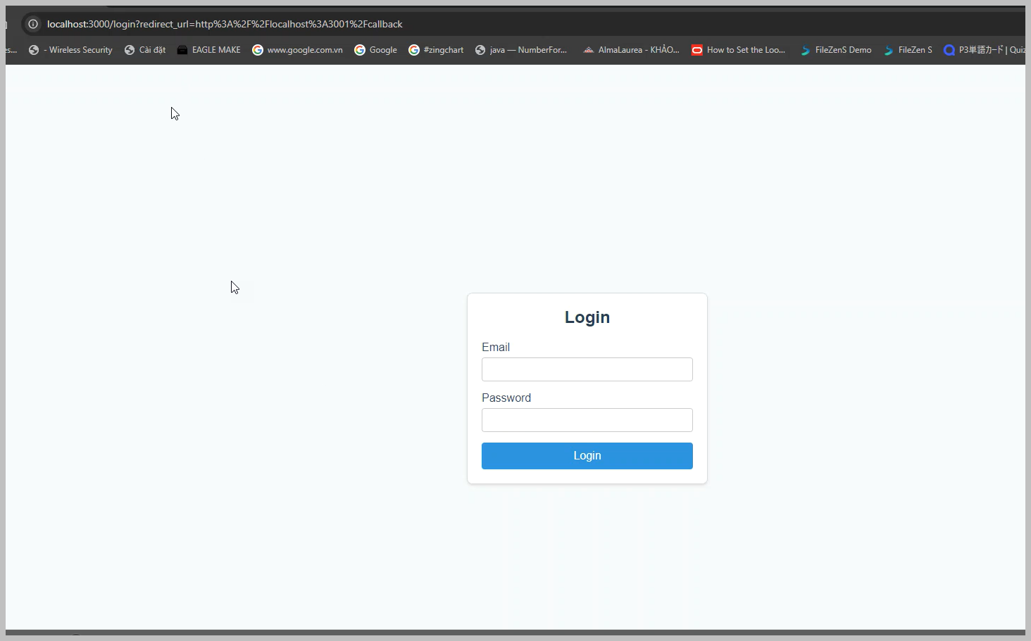
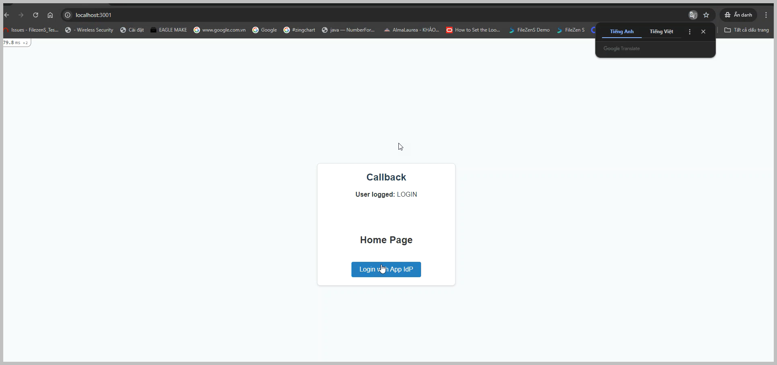
 |  | App_Service_Provider
Create a Rails system that uses SAML for logging.

 | Code Sample: - Create App_Service_Provider: The App Service Provider represents the application that users are trying to access. In the code sample, it will create a page with a login link and login information including an account and token. - Create App_Identity_Provider: This represents the Identity Provider. It creates a login page that redirects to the login page when there is an authentication request from the Service Provider, if the user has not already authenticated.

 | SAML Authentication Check Steps: When Not Logged In: - Step 1: Access the App_Service_Provider page without having logged in previously. - Step 2: Click the login link -> a request is sent to the App_Identity_Provider, which requires login to authenticate. - Step 3: Enter the information > If the correct information is entered (Account: thiem, pass: 123123), the App_Service_Provider redirects and receives a successful authentication response from the App_Identity_Provider. The App_Service_Provider then displays the user's account information and token if authentication is successful. > If the information is incorrect, the App_Identity_Provider redirects and sends a failed authentication response to the App_Service_Provider. The App_Service_Provider then does not display the user's account information and token if authentication fails. After Initial Login: - Step 1: Access the App_Service_Provider page. - Step 2: Click the login link -> The App_Service_Provider sends an authentication request to the App_Identity_Provider. Since the user has logged in previously, the App_Identity_Provider sends back a successful authentication response, and the App_Service_Provider displays the user's account information and token.

 |  | App_Identity_Provider

